Table 17
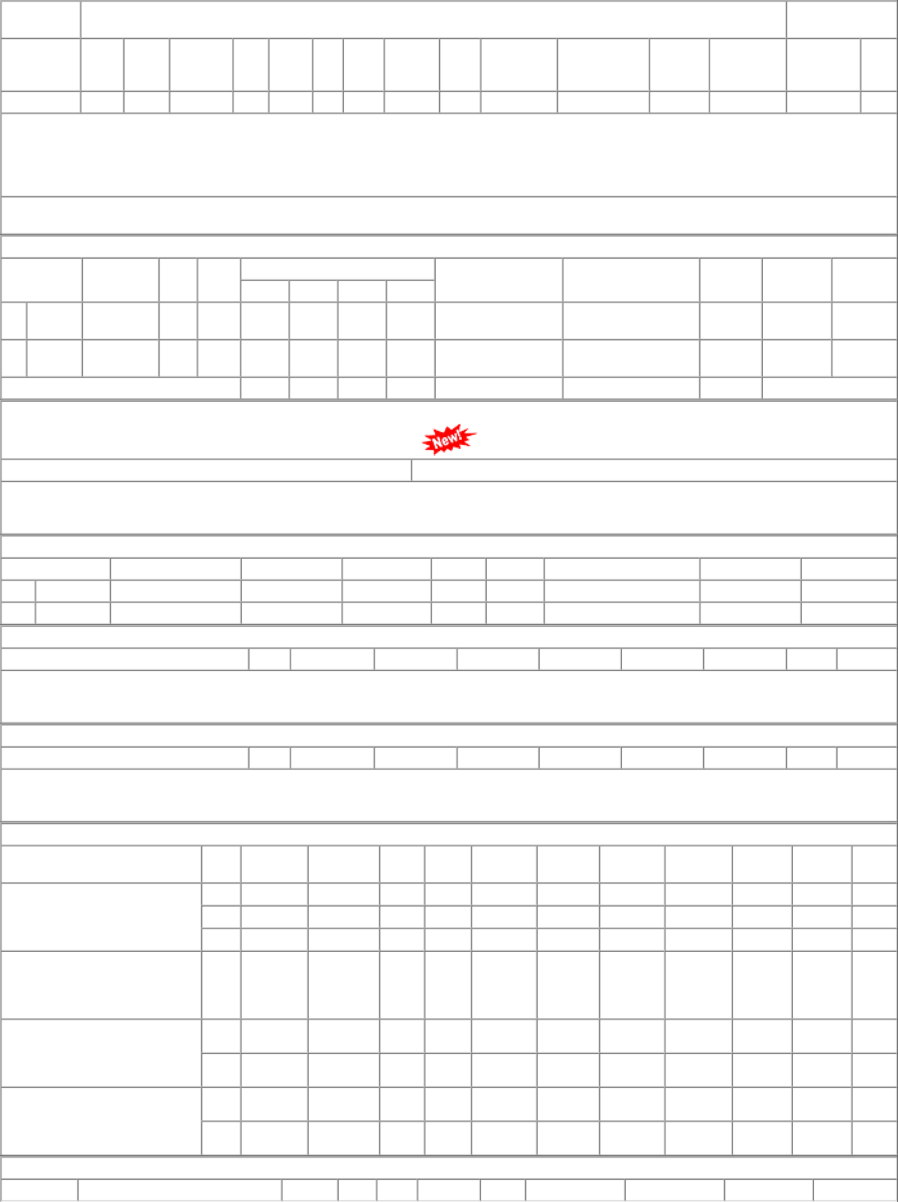
OVER-STOCK/SURPLUS/INACTIVE IN OTHER RAILWAY RAILWAY DEPOT WARD CAT AAC STOCK UNIT CONS 21-22 CONS 22-23 LI-DATE CONTACT

